D1-MA-B0
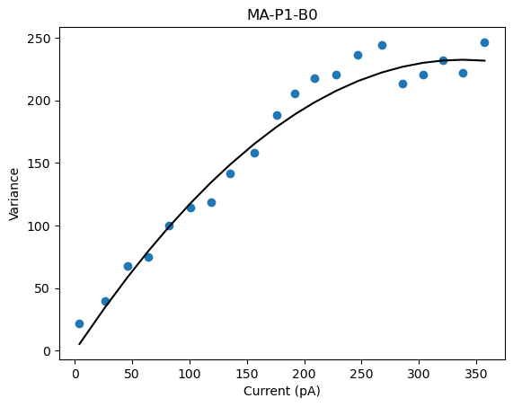
D1-MA-P1-BO
 | Pool Number | Unitary Current (i) | Channels (n)
 | 1 | 1.374 | 492 | 676.008

1 | 486.36674
2 | 622.517632
3 | 799.34217
4

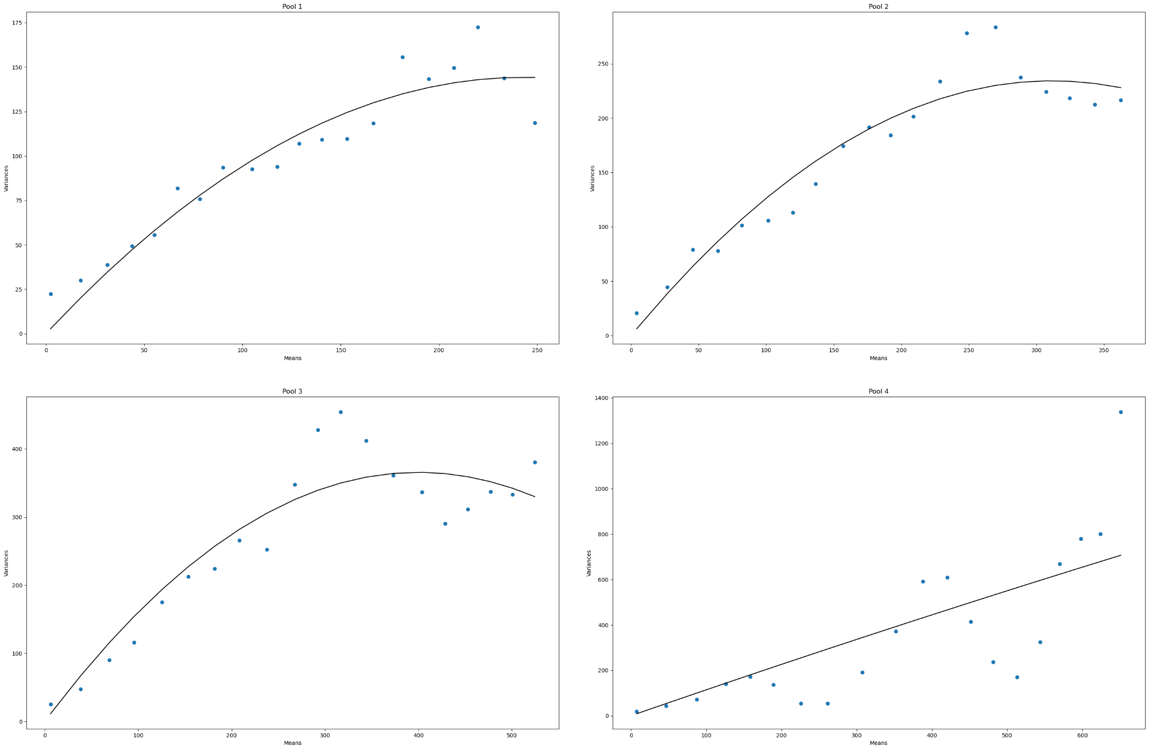
D1-MA-P4-BO
 | Pool Number | Unitary Current (i) | Channels (n)
 | 1 | 1.186 | 410.09 | 486.36674
 | 2 | 1.504 | 413.908 | 622.517632
 | 3 | 1.83 | 436.799 | 799.34217
 | 4 | 1.151
 |  | 1.41775 | 420.26566667 | 636.075514

 |  |  |  | 595.83164892

1
2 | 512.008
3 | 450.192
4 | 689.241
5 | 708.372
6 | 674.154
7 | 1142.724
8
9
10 | 1257.633
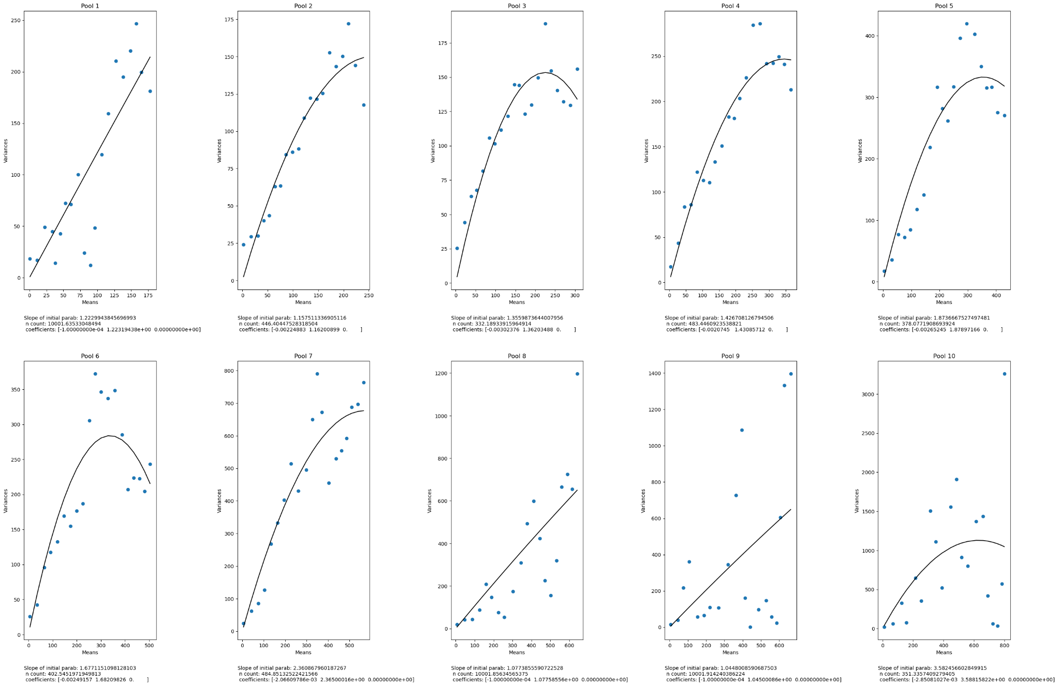
D1-MA-P10-BO
 | Pool Number | Unitary Current (i) | Channels (n)
 | 1 | 1.223
 | 2 | 1.148 | 446 | 512.008
 | 3 | 1.356 | 332 | 450.192
 | 4 | 1.427 | 483 | 689.241
 | 5 | 1.874 | 378 | 708.372
 | 6 | 1.677 | 402 | 674.154
 | 7 | 2.361 | 484 | 1142.724
 | 8 | 1.077
 | 9 | 1.045
 | 10 | 3.583 | 351 | 1257.633
 |  | 1.6771 | 410.85714286 | 776.332

 |  |  |  | 689.04851429

D1-MB-BO
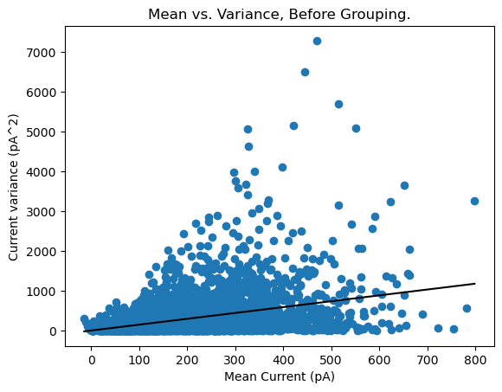
D1-MB-P1-BO
 | Pool Number | Unitary Current (i) | Channels (n)
 | 1 | 1.474 | N/A

1 | 1268.644
2 | 755.953
3 | 1343.84
4

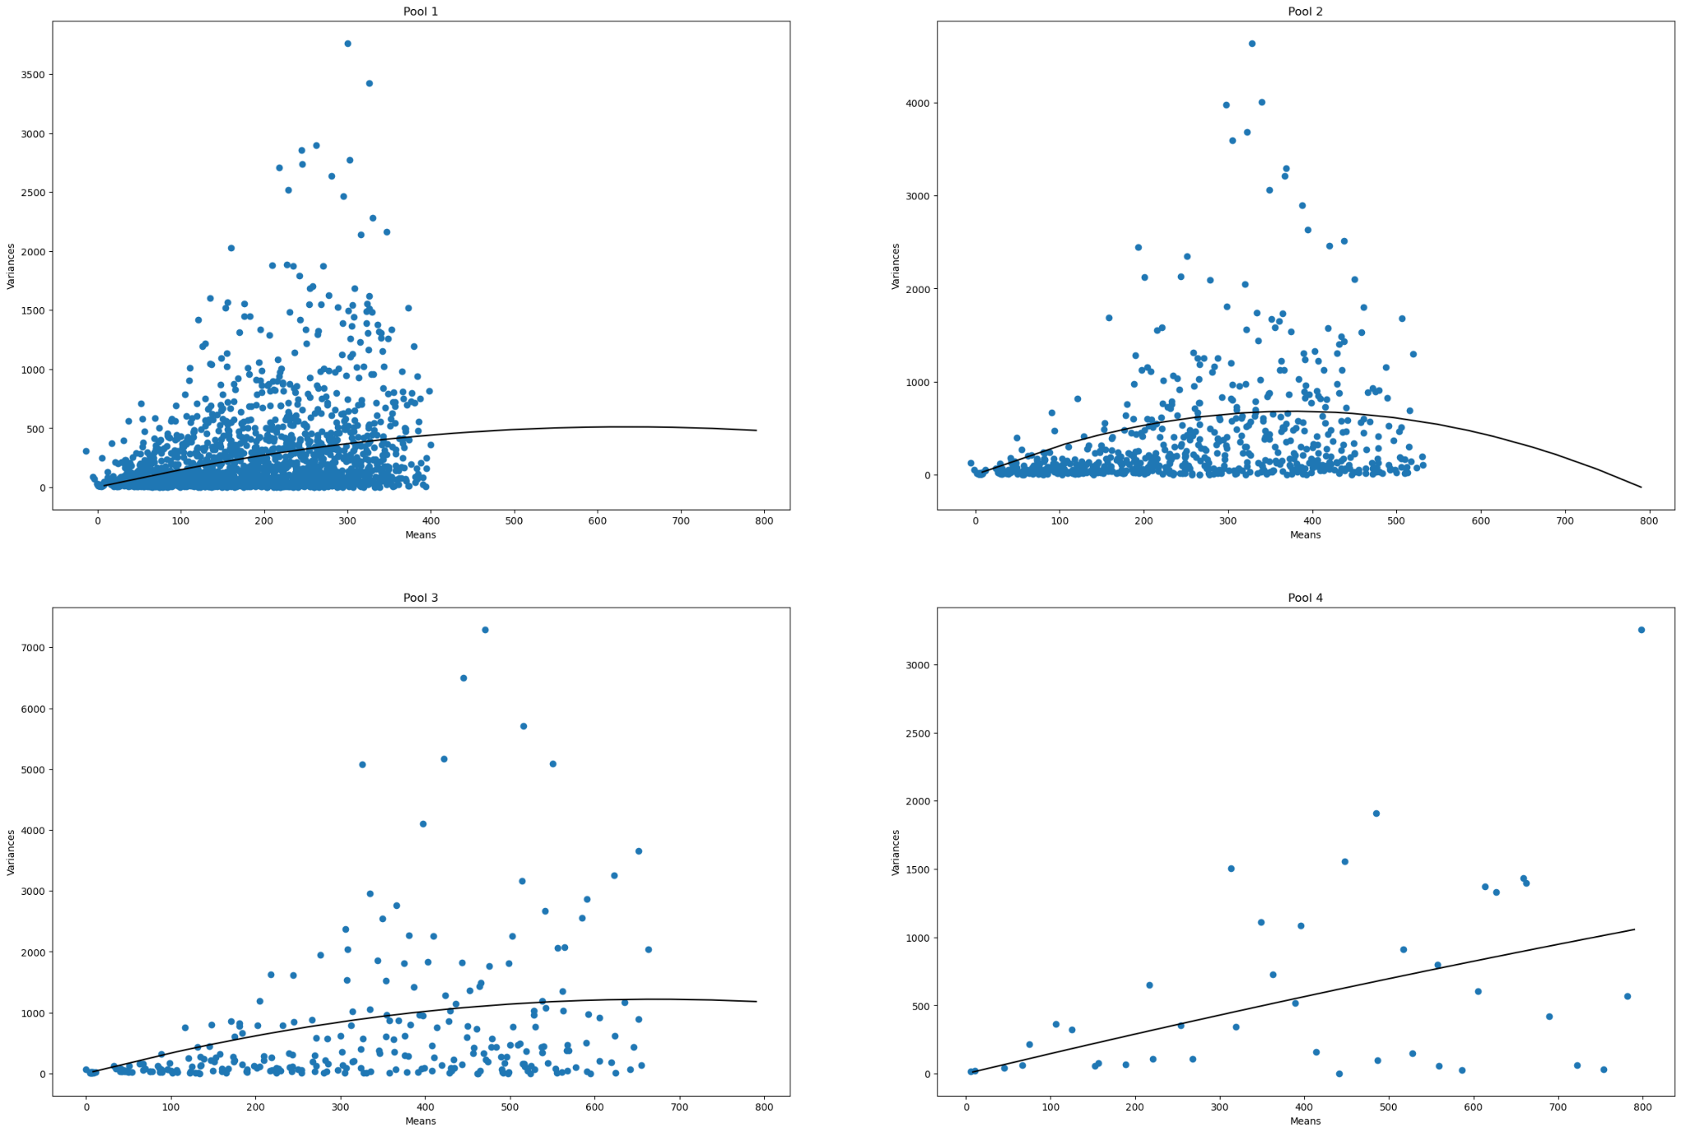
D1-MB-P4-BO
 | Pool Number | Unitary Current (i) | Channels (n)
 | 1 | 1.612 | 787 | 1268.644
 | 2 | 3.617 | 209 | 755.953
 | 3 | 3.632 | 370 | 1343.84
 | 4 | 1.489
 |  | 2.5875 | 455.33333333 | 1122.8123333

 |  |  |  | 1178.175

1 | 534.835
2
3 | 858.696
4
5 | 686.784
6 | 723.654
7 | 901.38
8
9 | 1212.862
10

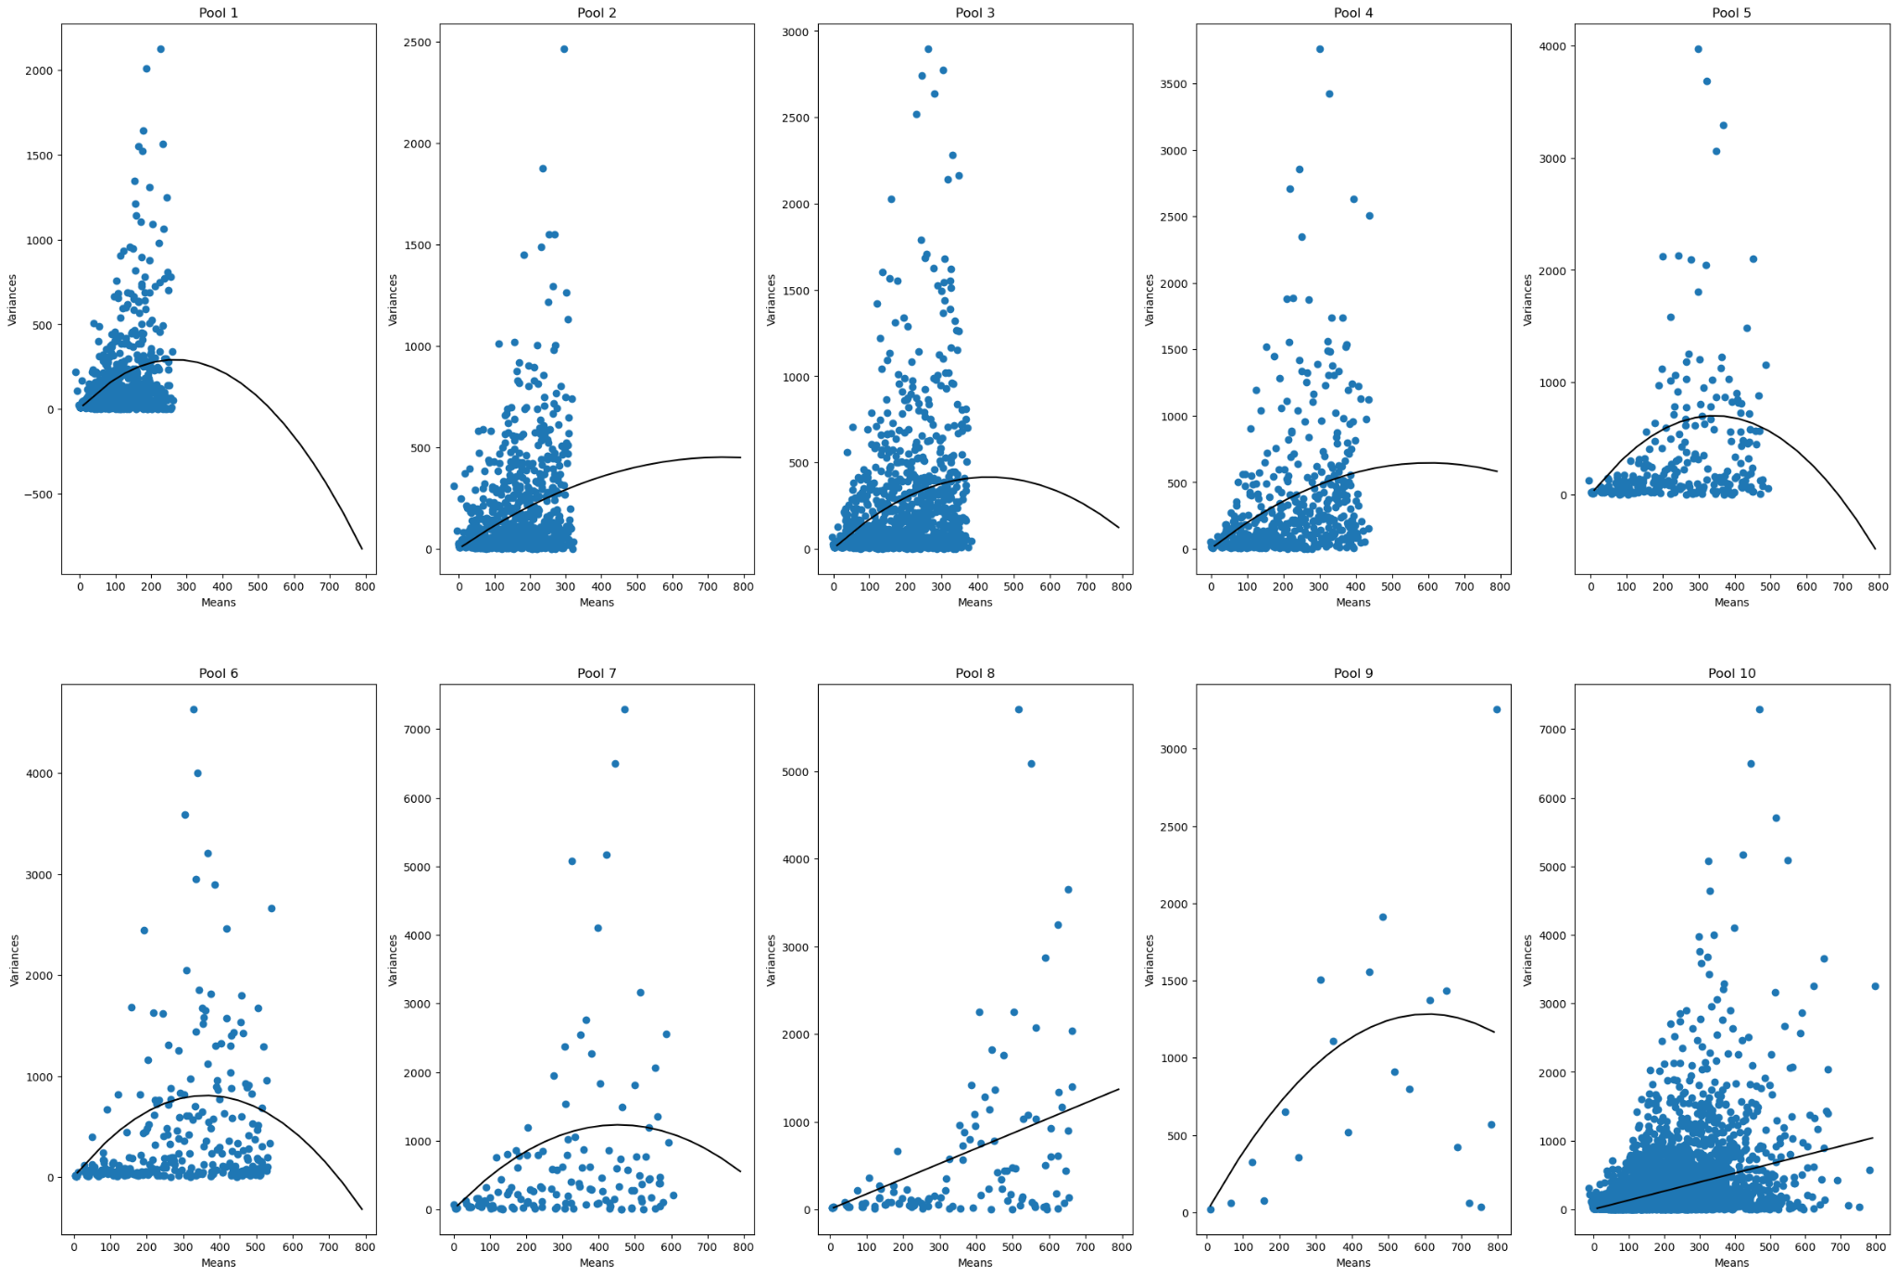
D1-MB-P10-BO
 | Pool Number | Unitary Current (i) | Channels (n)
 | 1 | 2.183 | 245 | 534.835
 | 2 | 1.216 | 1222
 | 3 | 1.934 | 444 | 858.696
 | 4 | 2.147 | 560
 | 5 | 4.088 | 168 | 686.784
 | 6 | 4.467 | 162 | 723.654
 | 7 | 5.43 | 166 | 901.38
 | 8 | 1.733
 | 9 | 4.226 | 287 | 1212.862
 | 10 | 1.314
 |  | 2.8738 | 406.75 | 819.70183333

 |  |  |  | 1168.91815

D1-MB-B20
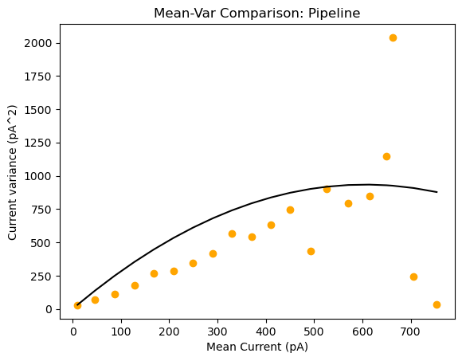
D1-MB-P1-B20
 | Pool Number | Unitary Current (i) | Channels (n)
 | 1 | 3.084 | 392 | 1208.928

1 | 918.81
2 | 706.532
3 | 1356.396
4

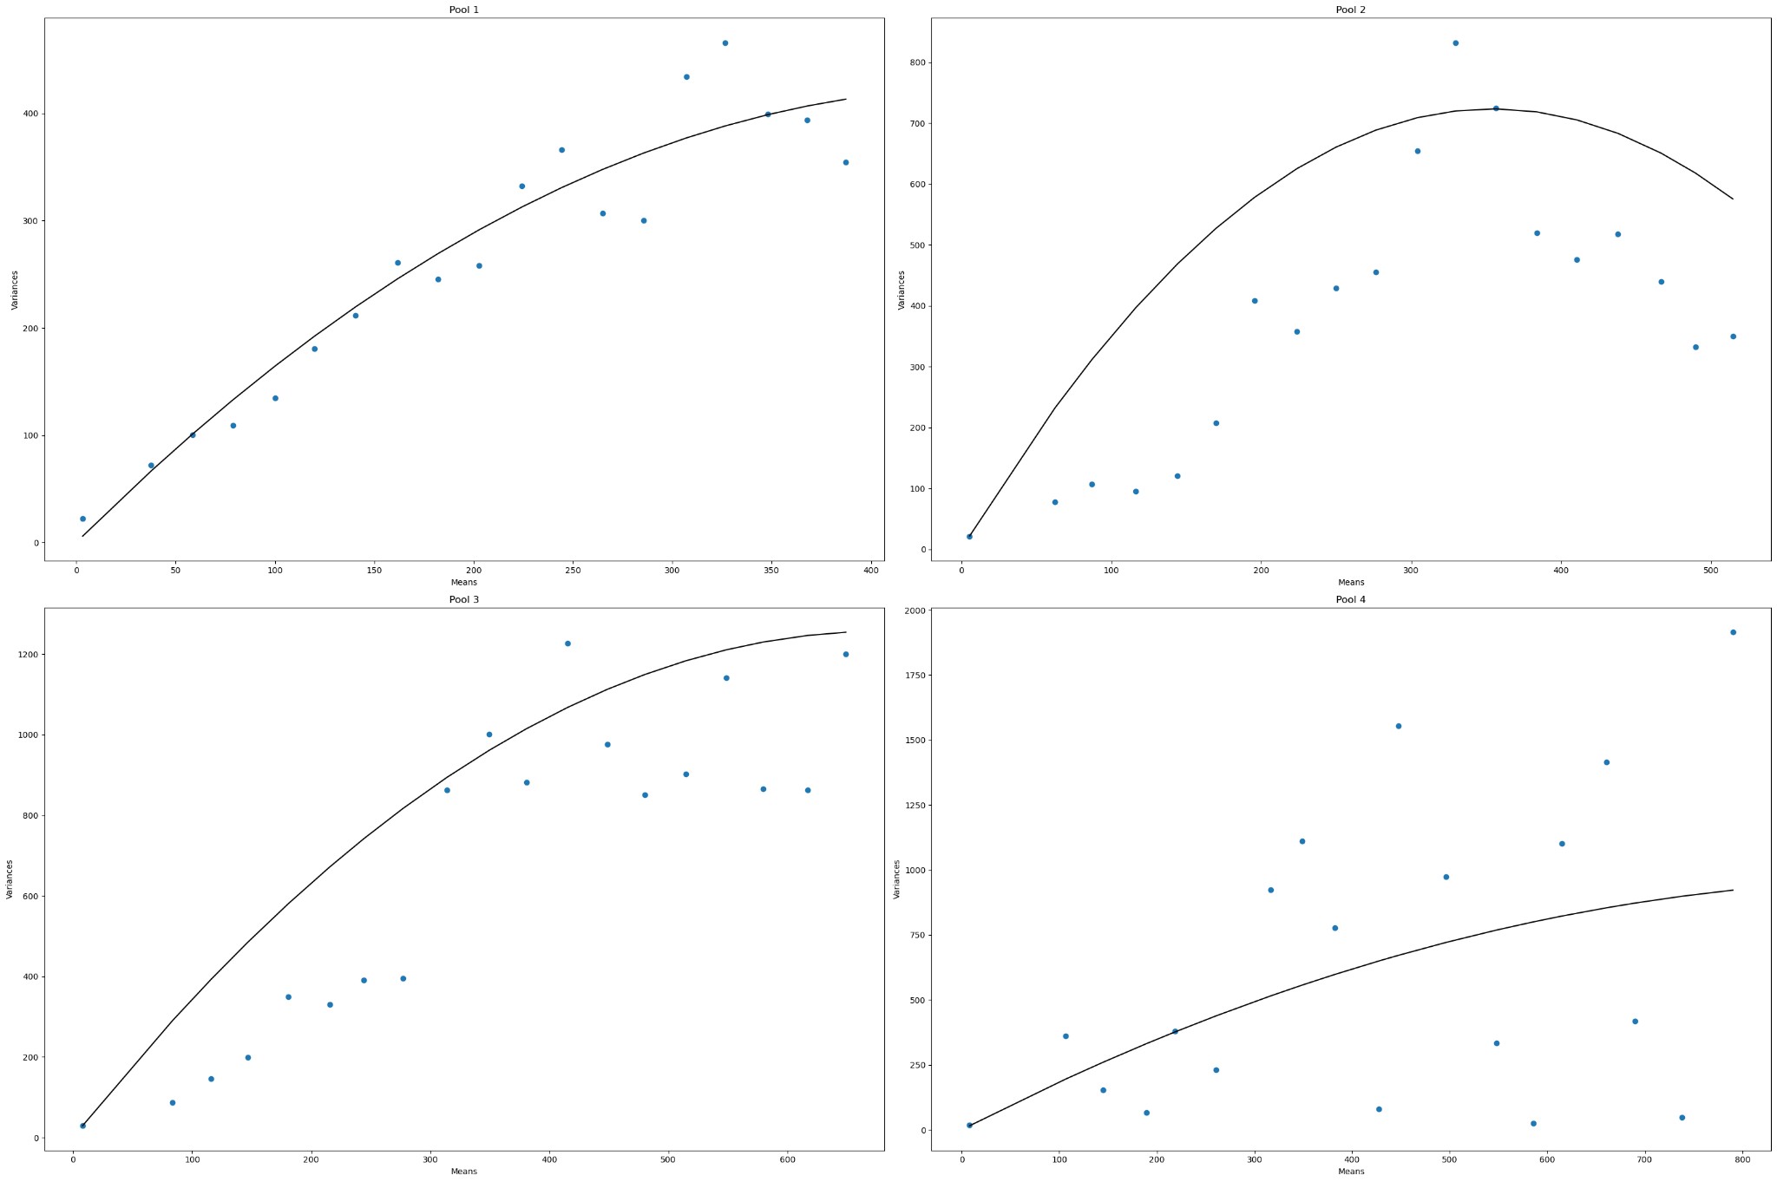
D1-MB-P4-B20
 | Pool Number | Unitary Current (i) | Channels (n)
 | 1 | 1.845 | 498 | 918.81
 | 2 | 4.084 | 173 | 706.532
 | 3 | 3.706 | 366 | 1356.396
 | 4 | 1.935
 |  | 2.8925 | 345.66666667 | 993.91266667

 |  |  |  | 999.84083333

1 | 516.426
2
3 | 756.28
4
5 | 673.35
6 | 735.93
7 | 976.86
8
9 | 1227.786
10

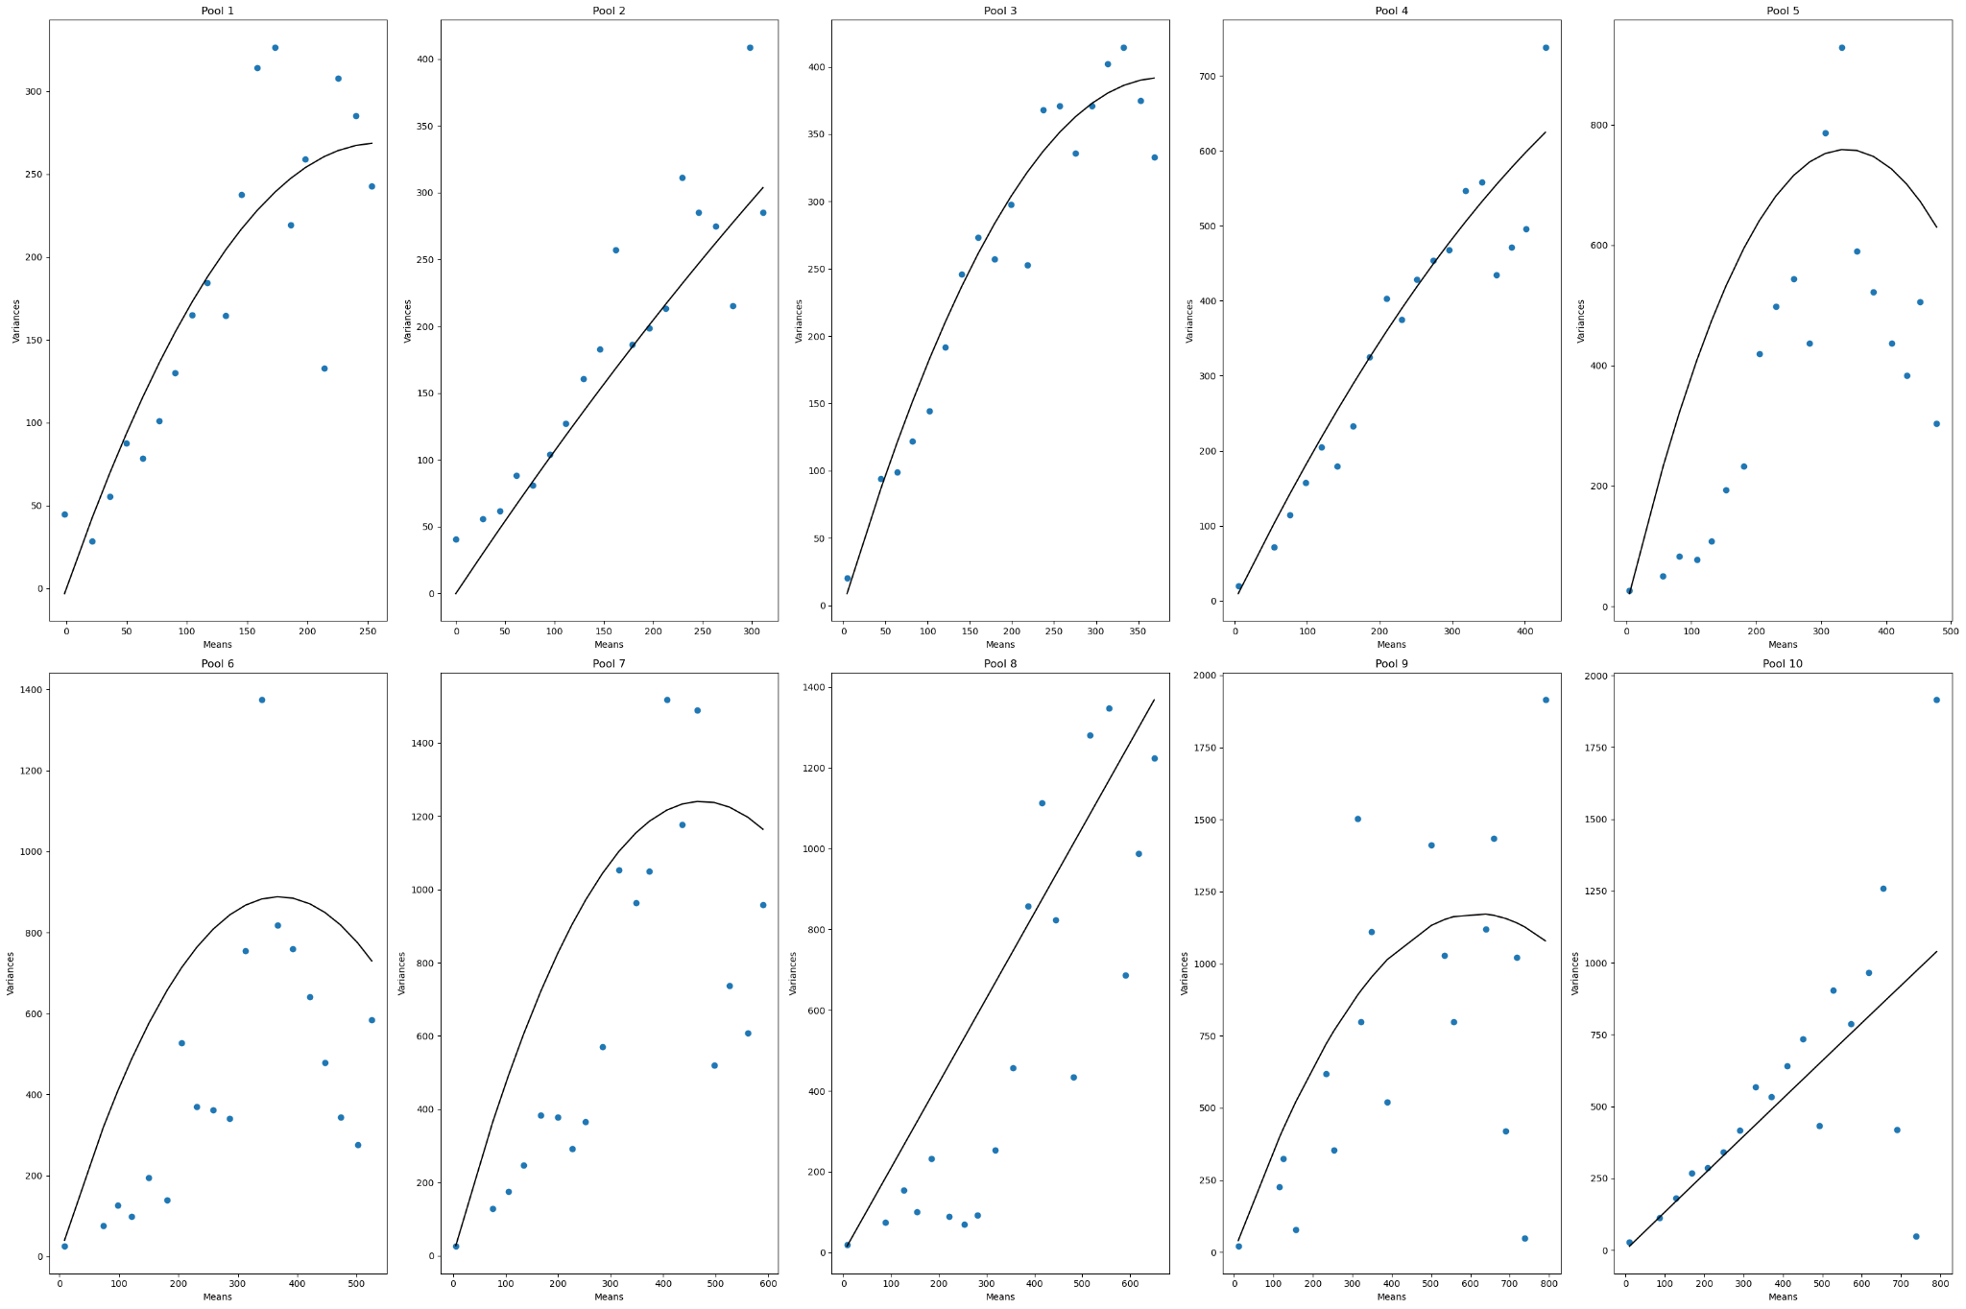
D1-MB-P10-B20
 | Pool Number | Unitary Current (i) | Channels (n)
 | 1 | 2.074 | 249 | 516.426
 | 2 | 1.109 | 2343
 | 3 | 2.072 | 365 | 756.28
 | 4 | 1.964 | 847
 | 5 | 4.489 | 150 | 673.35
 | 6 | 4.81 | 153 | 735.93
 | 7 | 5.427 | 180 | 976.86
 | 8 | 2.102
 | 9 | 3.813 | 322 | 1227.786
 | 10 | 1.324
 |  | 2.9184 | 576.125 | 1227.786

 |  |  |  | 1681.3632

D4b-MA-B0
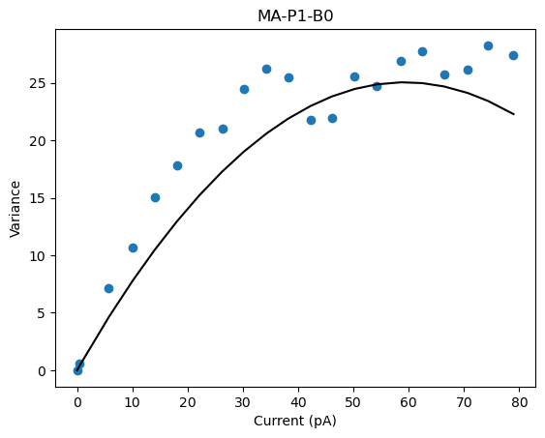
D4b-MA-P1-B0
 | Pool Number | Unitary Current (i) | Channels (n)
 | 1 | 0.845 | 139 | 117.455

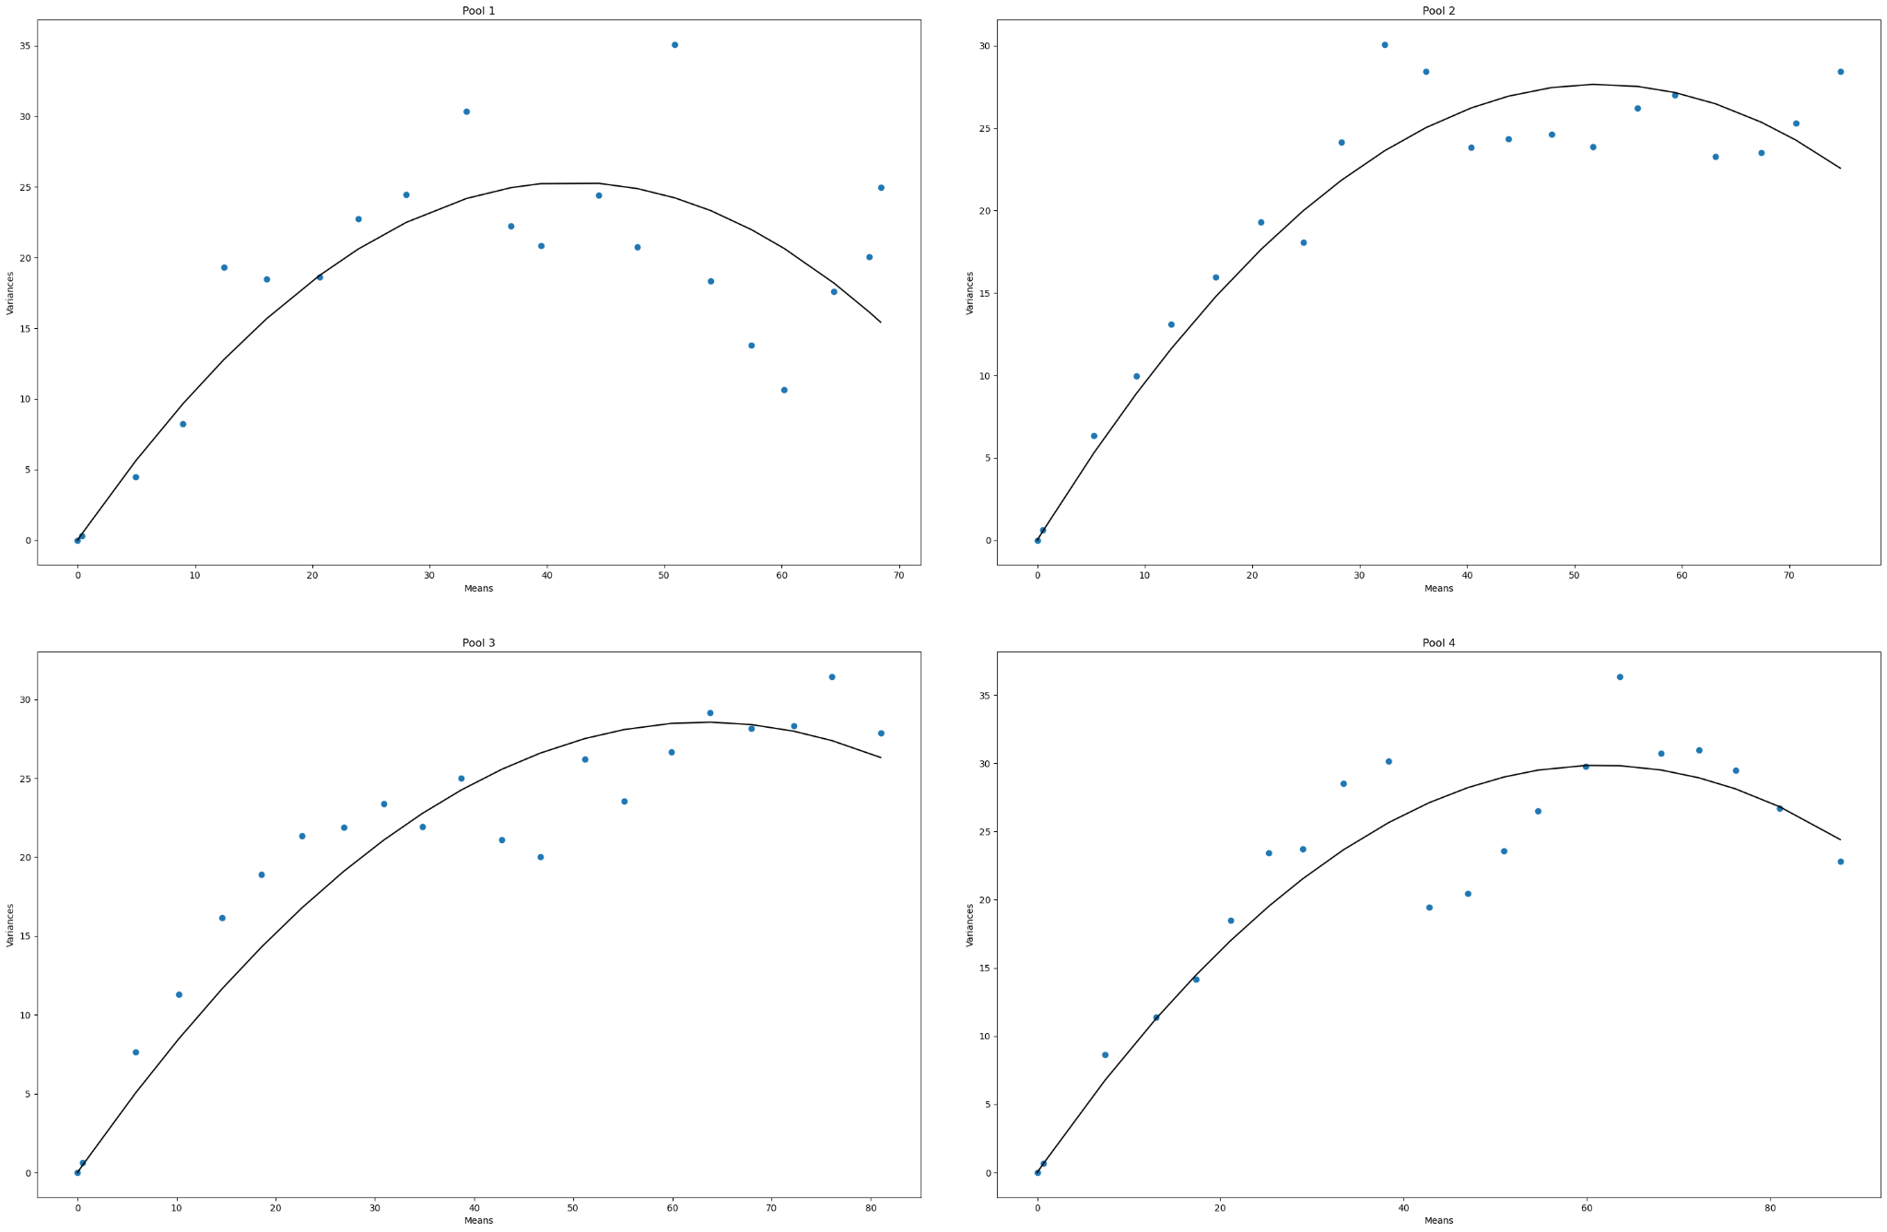

D4b-MA-P4-B0
 | Pool Number | Unitary Current (i) | Channels (n)
 | 1 | 1.203 | 70 | 84.21
 | 2 | 1.057 | 99 | 104.643
 | 3 | 0.902 | 140 | 126.28
 | 4 | 0.972 | 126 | 122.472
 |  | 1.0335 | 108.75 | 109.40125

 |  |  |  | 112.393125

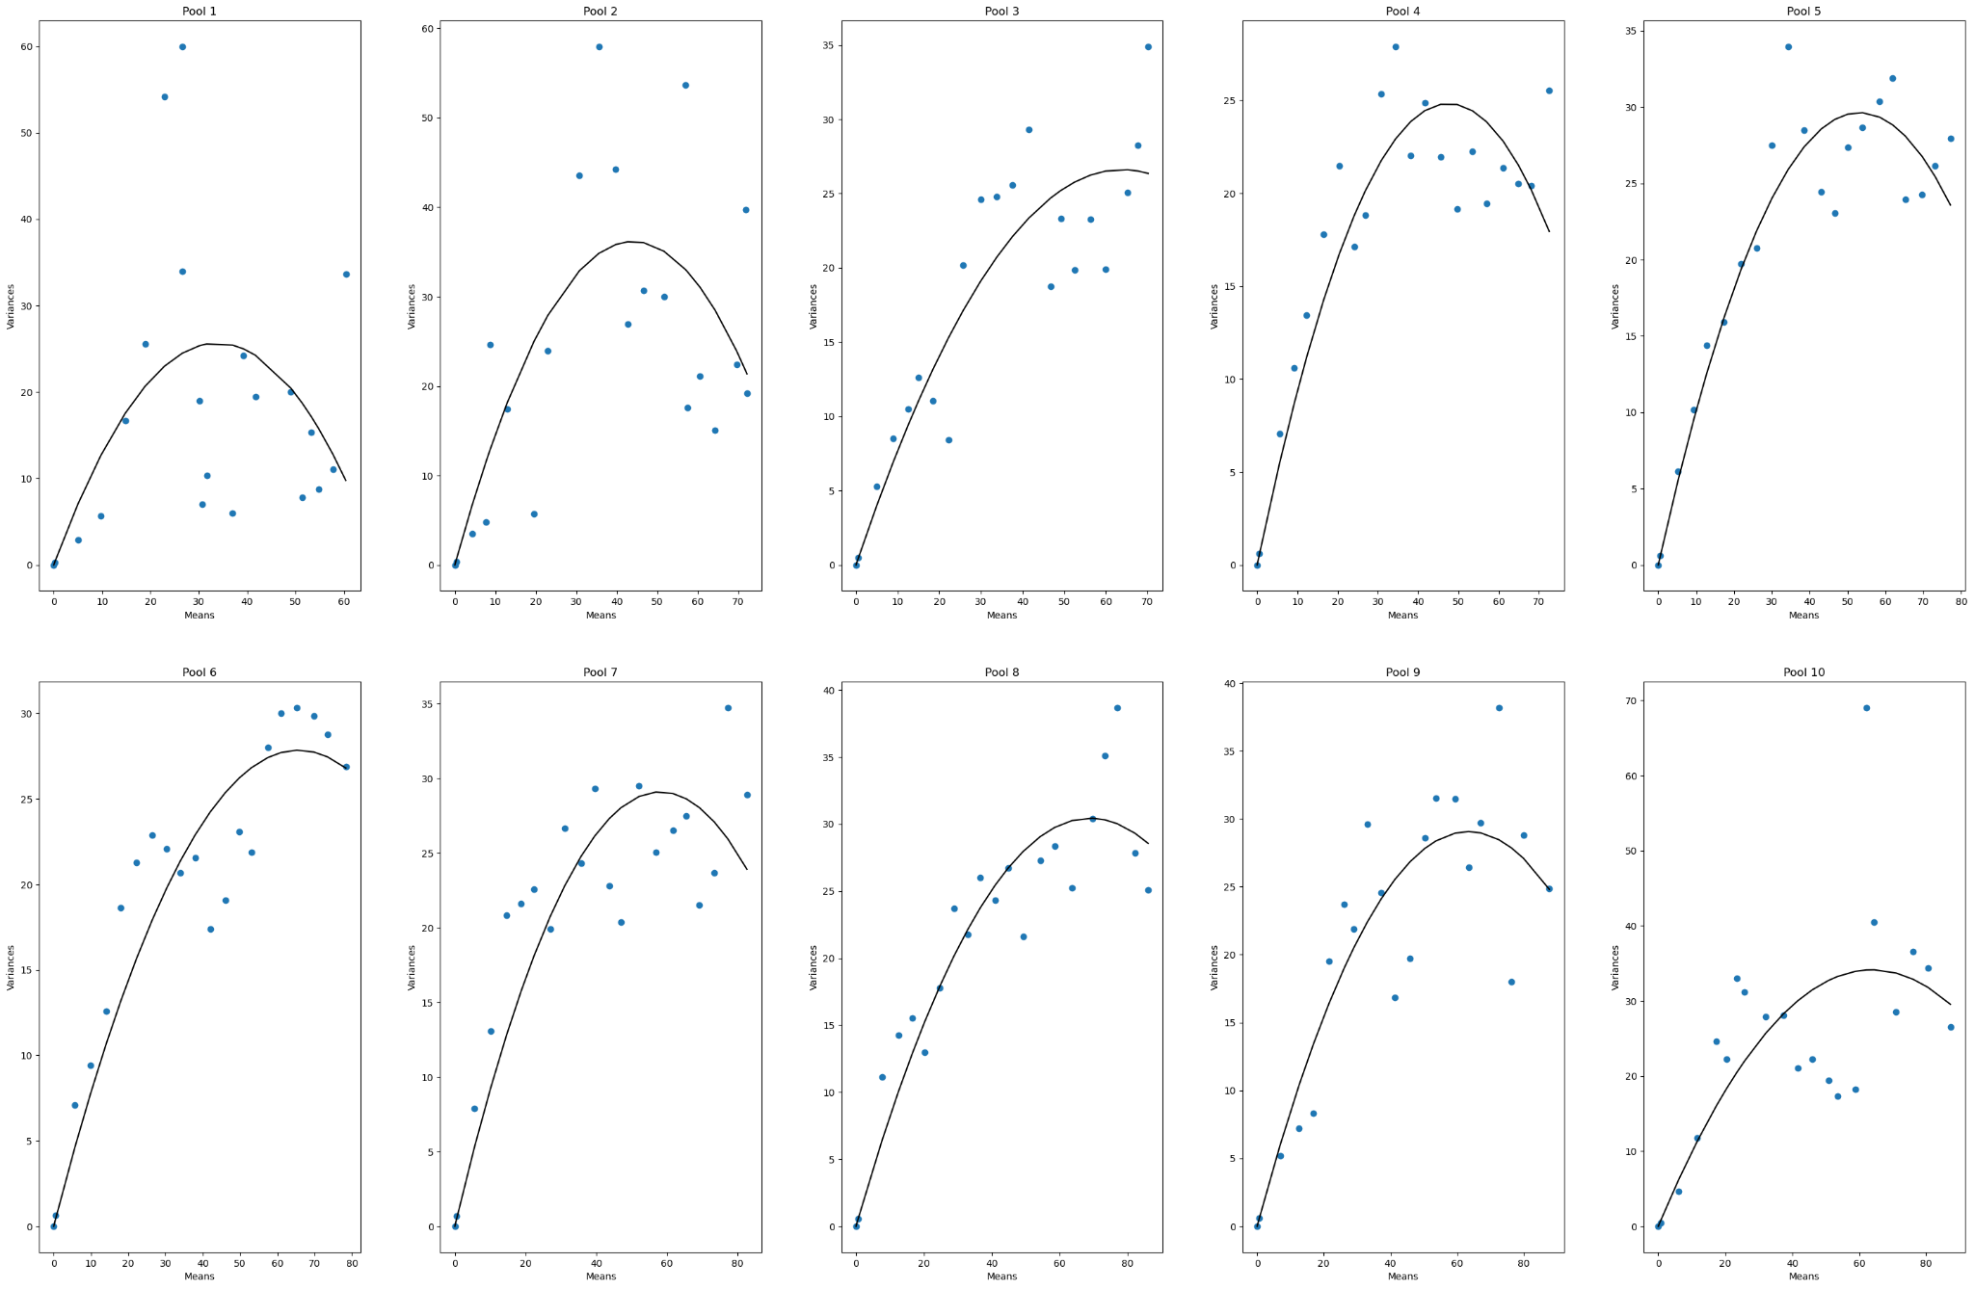
D4b-MA-P1-B0
 | Pool Number | Unitary Current (i) | Channels (n)
 | 1 | 1.519 | 44 | 66.836
 | 2 | 1.644 | 53 | 87.132
 | 3 | 0.833 | 153 | 127.449
 | 4 | 1.044 | 91 | 95.004
 | 5 | 1.116 | 95 | 106.02
 | 6 | 0.849 | 154 | 130.746
 | 7 | 1.002 | 116 | 116.232
 | 8 | 0.887 | 156 | 138.372
 | 9 | 0.916 | 138 | 126.408
 | 10 | 1.07 | 119 | 127.33
 |  | 1.088 | 111.9 | 112.1529

 |  |  |  | 121.7472

D4b-MB-BO
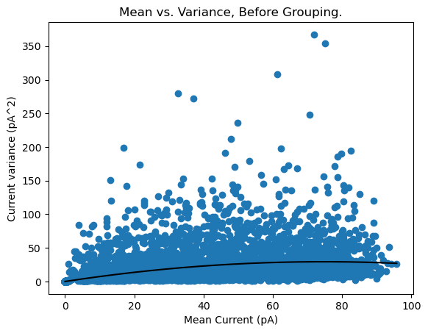
D4b-MB-P1-BO
 | Pool Number | Unitary Current (i) | Channels (n)
 | 1 | 0.787 | 189.771 | 149.349777

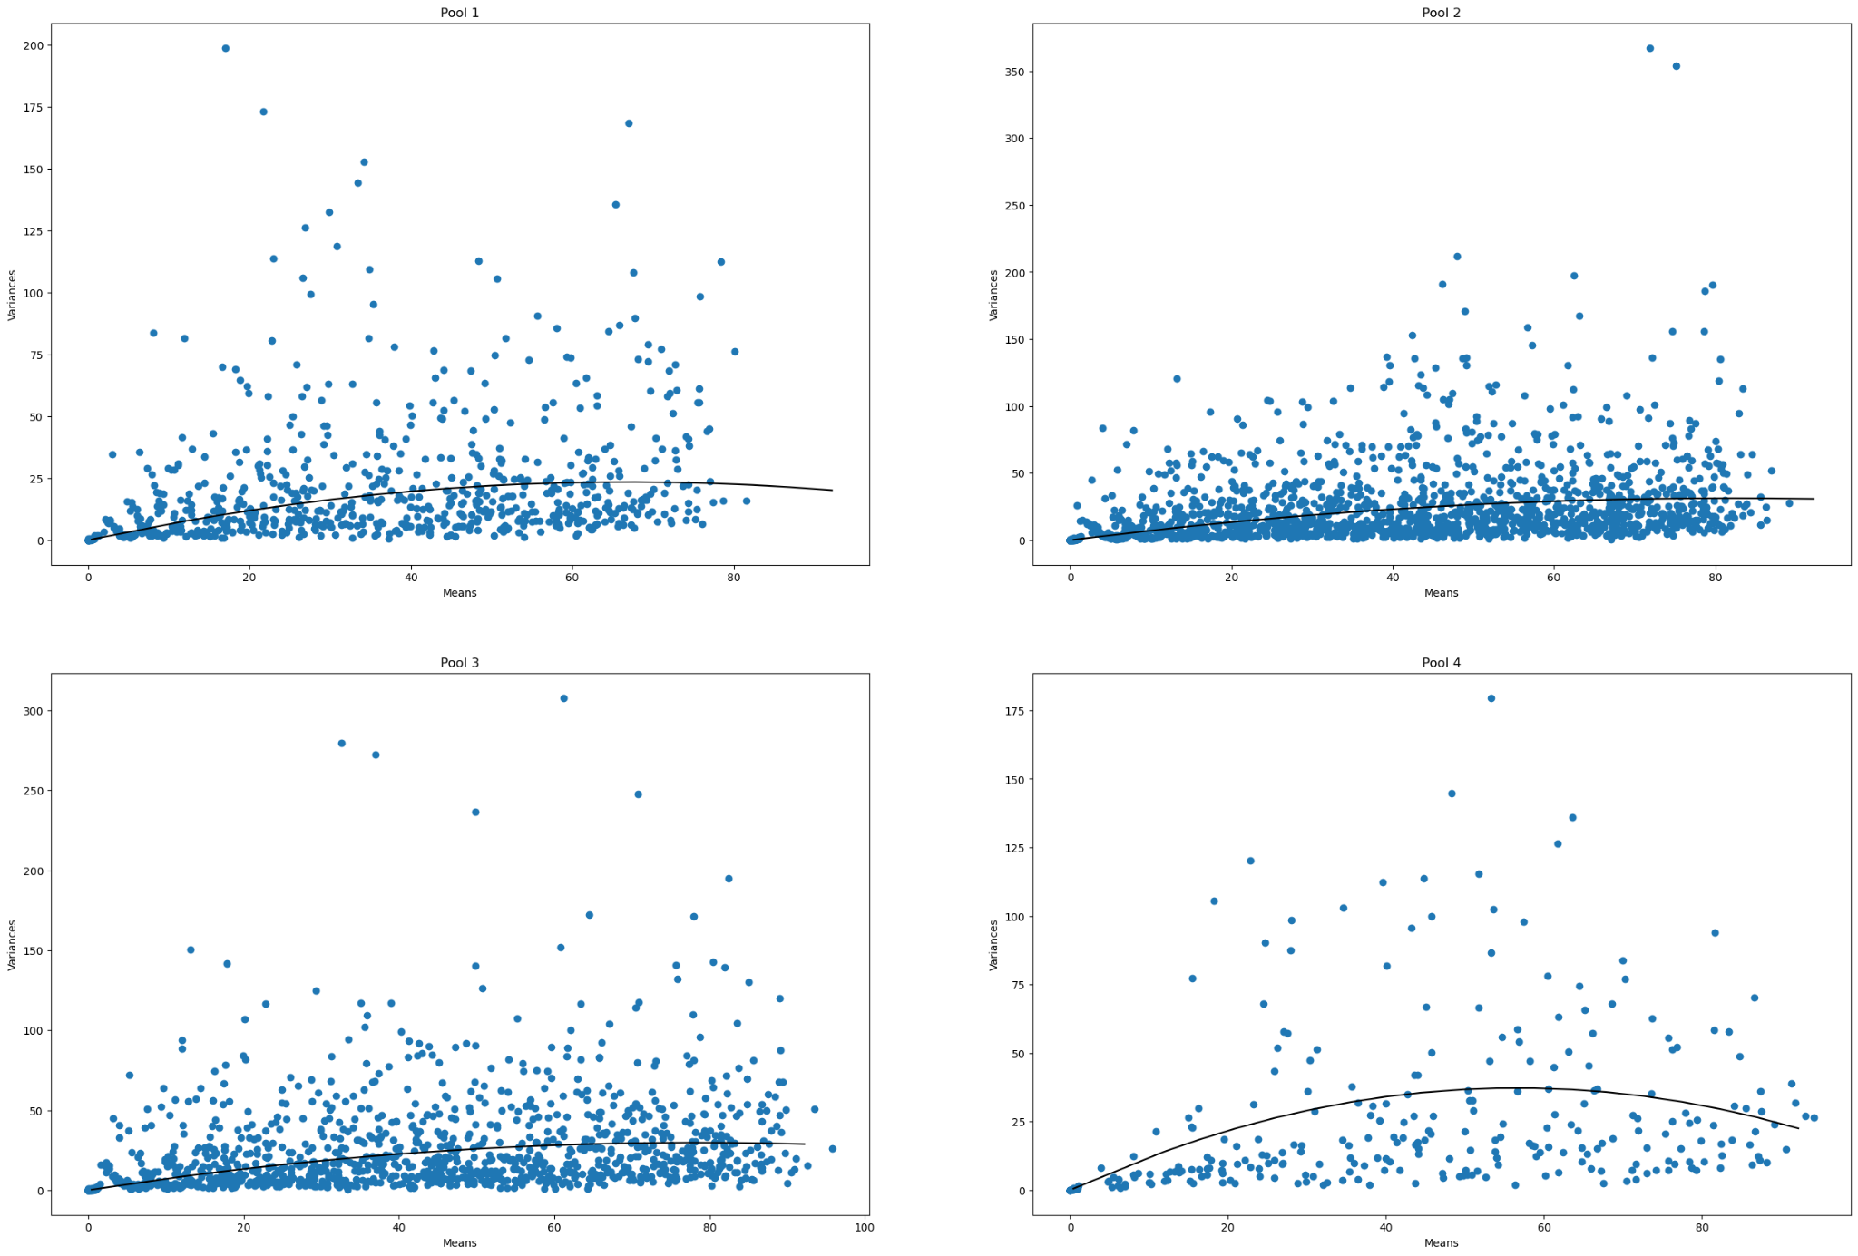
D4b-MB-P4-BO
 | Pool Number | Unitary Current (i) | Channels (n)
 | 1 | 0.702 | 190 | 133.38
 | 2 | 0.761 | 215 | 163.615
 | 3 | 0.759 | 206 | 156.354
 | 4 | 1.317 | 85 | 111.945
 |  | 0.88475 | 174 | 141.3235

 |  |  |  | 153.9465

1 | 109.833
2
3
4 | 111.16686
5 | 164.927826
6 | 140.25396
7
8 | 127.716
9 | 111.6
10 | 111.578
D4b-MB-P10-BO
 | Pool Number | Unitary Current (i) | Channels (n)
 | 1 | 1.181 | 93 | 109.833
 | 2 | 0.572 | 413
 | 3 | 0.336 | N/A
 | 4 | 0.87 | 127.778 | 111.16686
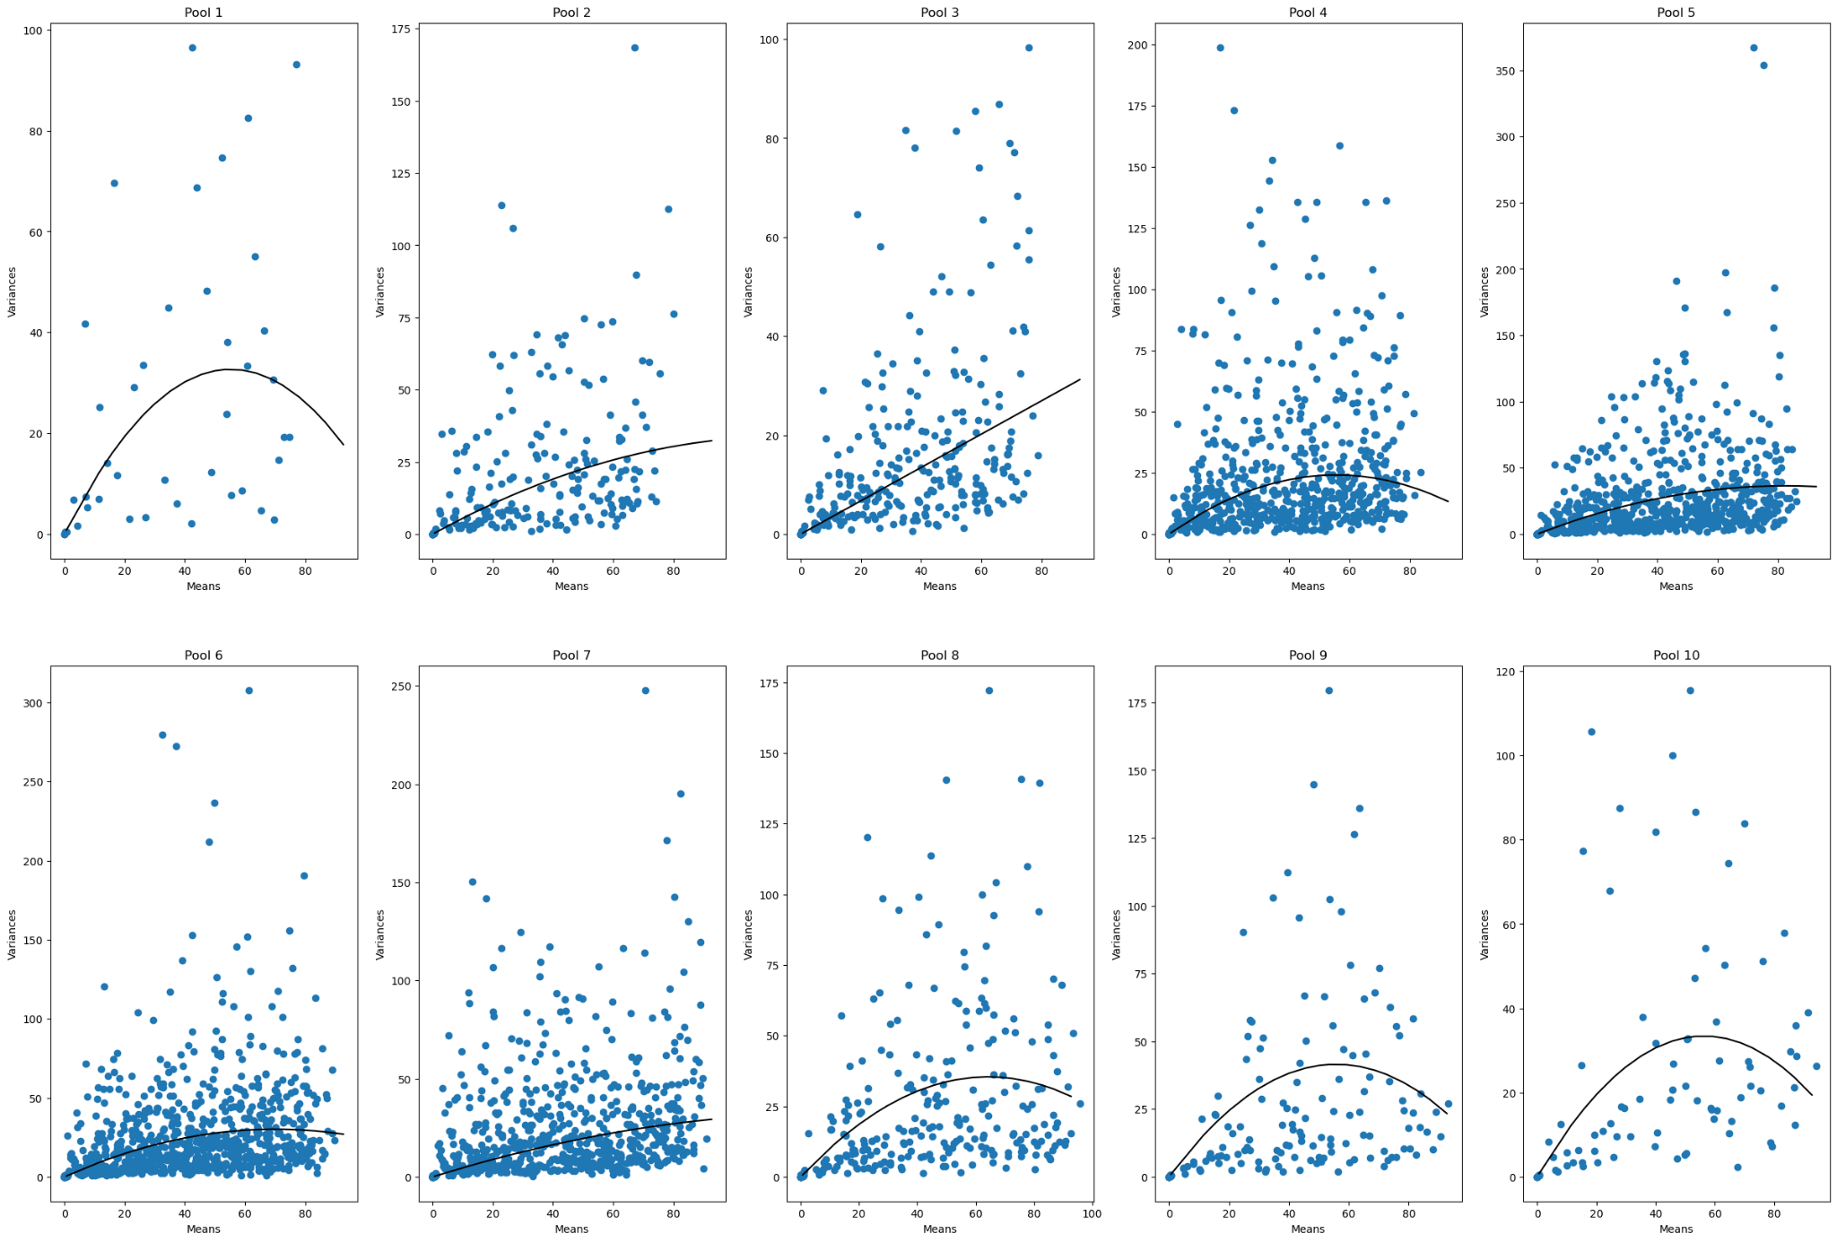
 | 5 | 0.882 | 186.993 | 164.927826
 | 6 | 0.86 | 163.086 | 140.25396
 | 7 | 0.478 | 571
 | 8 | 1.101 | 116 | 127.716
 | 9 | 1.488 | 75 | 111.6
 | 10 | 1.187 | 94 | 111.578
 |  | 0.8955 | 204.42855556 | 125.29652086

 |  |  |  | 183.0657715

D4b-MB-B20
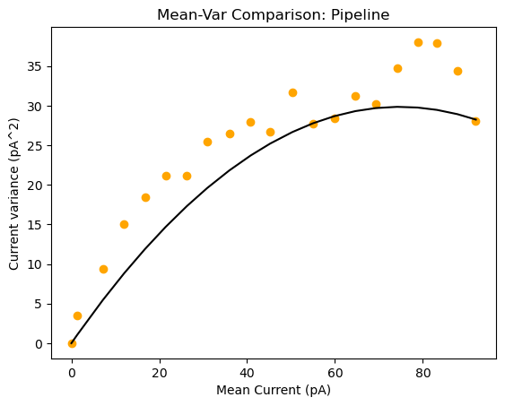
D4b-MB-P1-B20
 | Pool Number | Unitary Current (i) | Channels (n)
 | 1 | 0.799 | 187 | 149.413

1
2 | 169.36
3 | 266.448
4 | 116.736

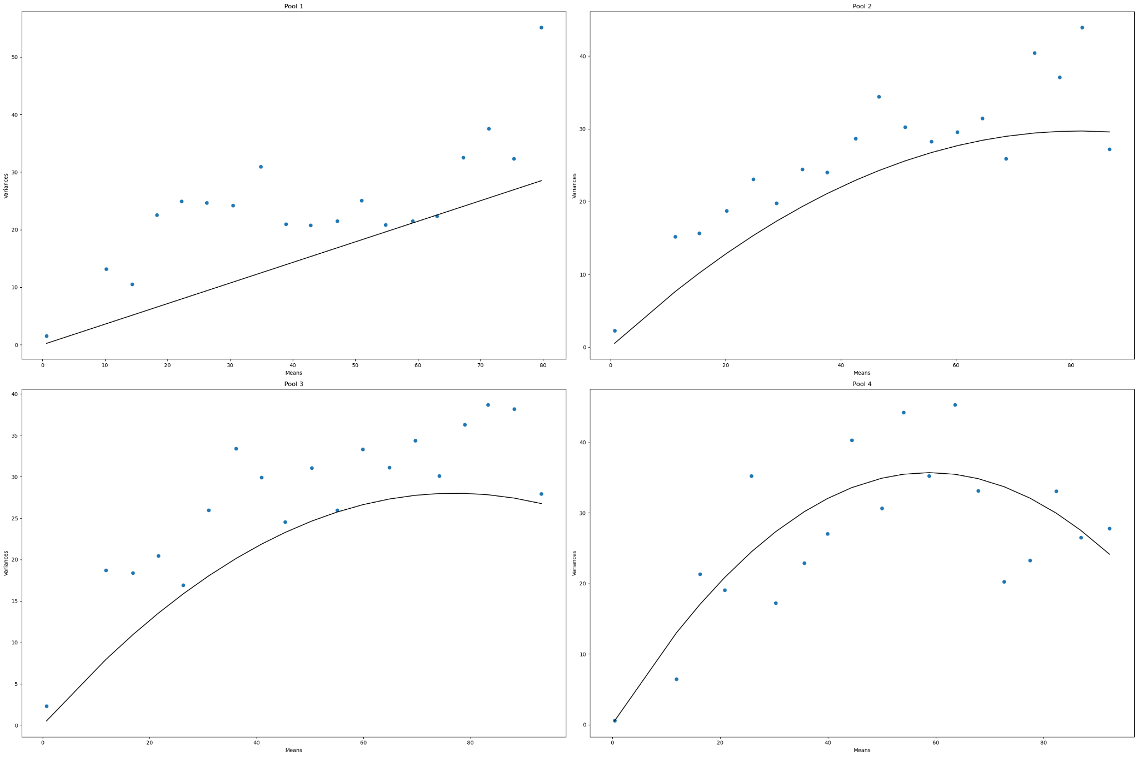
D4b-MB-P4-B20
 | Pool Number | Unitary Current (i) | Channels (n)
 | 1 | 0.358 | N/A
 | 2 | 0.73 | 232 | 169.36
 | 3 | 0.728 | 366 | 266.448
 | 4 | 1.216 | 96 | 116.736
 |  | 0.758 | 231.33333333 | 184.18133333

 |  |  |  | 175.35066667

1 | 215.502
2
3
4
5 | 199.42
6 | 152.856
7
8
9 | 107.78
10
D4b-MB-P10-B20
 | Pool Number | Unitary Current (i) | Channels (n)
 | 1 | 0.733 | 294 | 215.502
 | 2 | 0.546 | N/A
 | 3 | 0.405 | N/A
 | 4 | 0.691 | 192
 | 5 | 0.767 | 260 | 199.42
 | 6 | 0.772 | 198 | 152.856
 | 7 | 0.315 | N/A
 | 8 | 0.967 | 139
 | 9 | 1.585 | 68 | 107.78
 | 10 | 1.063 | 155
 |  | 0.7844 | 186.57142857 | 168.8895

 |  |  |  | 146.34662857

